Лист1
summary | text appears on the left side of the screen
exp. result | the text should not appear in the left of the screen
act.result | text appears on the left side of the screen
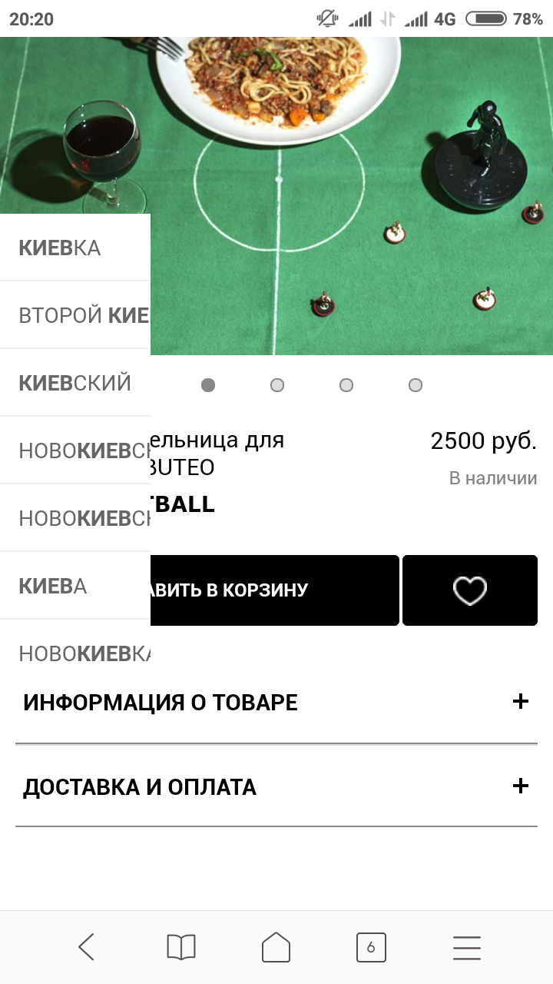
steps: | 1.we load the website http://Badlab.ru in the browser chrome
 | 2.choose a category of goods
 | 3.I open the product for a more detailed description
 | 4.text appears in the left corner

priority | low

